1. Title Page
[Instacart Grocery Basket Analysis]

Project Name: Grocery Basket Analysis
Date: 31/05/2014
Analyst Name: Shruti Dubey

Contents:
Population Flow
Consistency checks
Wrangling steps
Column derivations
Visualizations
Recommendations

2. Population Flow
Title page

Population flow

Exclusion flag
Condition: max_order <
Obervations to be removed:
Final total count of order_products_all:

Orders_products_combined
Orders_products_merged
Orders_products_all

Total: 3,421,859
Total:32,434,489
Total: 32,404,859

1.) The grey boxes in the first row of the population flow represent the original data sets as they were when you downloaded them. In the Total fields you need to add the count of the rows when you imported the data set into Jupyter.
2.) The second row of boxes (coloured) represents the data sets after you manipulated them, e.g., removed missing values and duplicates. In the Total fields you need to add the count of the rows after conducting these operations. This offers a visual oveview of how the data flows throughout the data consistency checks.
3.) The third row, where also the arrows are coloured, represents the merges you performed between the datasets. In the Total fields you need to add the count of the rows in the merged datasets, so that you end up with the final dataset (in the red box). Keep in mind the final dataset should be without exclusions (based on the exclusion flag).

3. Consistency checks
 |  |  |  | Title page
Consistency checks

Dataset | Missing values | Missing values treatment | Duplicates
orders | 206,209 - in "days_since_prior_order" | Impute the value with the mean | 0 rows removed
products | 16 - in "product_name" | Removed | 16 rows removed
orders_products_prior | n/a | n/a | n/a
customers | n/a | n/a | n/a
orders_products_all | n/a | n/a | n/a

4. Wrangling steps
 |  |  |  | Title page
Wrangling steps

Columns dropped | Columns renamed | Columns' type changed | Comment/Reason
"eval_set" |  |  | Unnecessary to analysis (Ex 4.4)
 | "order_dow" |  | Because "orders_day_of_week" was considered easier to interpret
 |  | "order_id" (int --> str) | Unnecessary to analysis (Ex 4.4)
 |  | "user_id" (int --> str) | Unnecessary to analysis (Ex 4.4)
"First Name" |  |  | Unnecessary to analysis and personally identifiable information (Ex 4.9)
"Surnam" |  |  | Unnecessary to analysis and personally identifiable information (Ex 4.9)
 | "Gender" |  | Decapitalised for consistency (Ex 4.9)
 | "STATE" |  | Decapitalised for consistency (Ex 4.9)
 | "Age" |  | Decapitalised for consistency (Ex 4.9)
 | "_merge" |  | Original merge flag caused error in Ex 4.9 when customer data had to be merged with the orders_products data
 | "_merge" |  | Renamed to identify against the other merge flag (named merge_2)
 |  | "product_id" (int64 --> int32) | Save on memory
 |  | "aisle_id" (int64 --> int16) | Save on memory
 |  | "department_id" (int64 --> int8) | Save on memory
 |  | "order_id" (str --> int32) | Save on memory
 |  | "user_id" (str --> int32) | Save on memory
 |  | "order_number" (int64 --> int16) | Save on memory
 |  | "orders_day_of_week" (int64 --> int8) | Save on memory
 |  | "order_hour_of_day" (int64 --> int8) | Save on memory
 |  | "add_to_cart_order" (int64 --> int16) | Save on memory
 |  | "reordered" (int64 --> int8) | Save on memory
 |  | "max_order" (int64 --> int16) | Save on memory
 |  | "user_id" (int64-->int32) | In customer data to merge with ords_prods_merge data
 |  | "age" (int64 --> int8) | Save on memory (Ex 4.9)
 |  | "n_dependents" (int64 --> int8 | Save on memory (Ex 4.9)
 |  | "income" (int64 --> int32) | save on memory (Ex 4.9)

5. Column derivations
 |  |  |  | Title page

Column derivations and aggregations

In this tab you should add tables below that the frequences of flags/label variables that you produced after deriving them. NB: don't do this for continuous variables, only for flags.
Dataset | New column | Column/s it was derived from | Conditions
orders_checked | first_order | days_since_prior_order | ["days_since_prior_order"].isnull() True (206,209) False (3,214,874)
df_merged_large (orders products merged) | price_range | prices | High-range product (412,551): "prices" > 15 Mid-range product (21,860,860): 5 < "prices" <=15 Low-range product (10,126,321): "prices" <= 5
df_merged_large (orders products merged) | busiest_days | orders_day_of_week | Busiest days (11,862,627): if value in [0, 1] Slowest days (7,623,037): elif value in [3, 4] Regularly busy (12,914,068): else (value in [2, 5, 6])
df_merged_large (orders products merged) | busiest_period_of_day | order_hour_of_day | Most orders (21,114,733): if value in [10, 11, 14, 15, 13, 12, 16, 9] Average orders (9,996,048): elif value in [17, 8, 18, 19, 20, 7, 21, 22] Fewest orders (1,288,951): else (value in [23, 6, 0, 1, 5, 2, 4, 3])
df_ords_prods_merge | loyalty_flag | max_order (which was derived from user_id & order_number) | Loyal customer (10,282,763): "max_order" > 40 Regular customer (15,874,128): 10 < "max_order" <= 40 New customer (6,242,841): "max_order" <= 10
df_ords_prods_merge | spending_flag | user_mean_product_price (which was derived from user_id & prices) | Low spender (32,280,013): "user_mean_product_price" < 10 High spender (119,719): "user_mean_product_price" >= 10
orders_products_all | frequency_flag | median_days_between_orders (which was derived from user_id & days_since_prior_order) | Frequent customer (21,556,644): "median_days_between_orders" <= 10 Regular customer (7,207,340): 10 < "median_days_between_orders" <= 20 Non-frequent customer (3,635,743): "median_days_between_orders" > 20 nan (5): The result of 5 customers who only ever made 1 purchase and thus had no value in "median_days_between_orders"
orders_products_all | region | state | Northeast (5,721,892): "State" isin ['Maine', 'New Hampshire', 'Vermont', 'Massachusetts', 'Rhode Island', 'Connecticut', 'New York', 'Pennsylvania', 'New Jersey'] Midwest (7,596,065): "State" isin ['Wisconsin', 'Michigan', 'Illinois', 'Indiana', 'Ohio', 'North Dakota', 'South Dakota', 'Nebraska', 'Kansas', 'Minnesota', 'Iowa', 'Missouri'] West (8,291,679): "State" isin ['Idaho', 'Montana', 'Wyoming', 'Nevada', 'Utah', 'Colorado', 'Arizona', 'New Mexico', 'Alaska', 'Washington', 'Oregon', 'California', 'Hawaii'] South (10,790,096): "State" isin ['Delaware', 'Maryland', 'District of Columbia', 'Virginia', 'West Virginia', 'North Carolina', 'South Carolina', 'Georgia', 'Florida', 'Kentucky', 'Tennessee', 'Mississippi', 'Alabama', 'Oklahoma', 'Texas', 'Arkansas', 'Louisiana']
orders_products_all | age_group | age | Young Adult (3,863,867): "age" <= 25 Adult (9,213,093): 25 < "age" < 45 Older Adult (9,688,461): 45 <= "age" < 65 Senior (8,194,267): "age" >= 65
orders_products_all | income_group | income | Low (3,362,554): "income" <= 50,000 Middle (13,394,719): 50,000 < "income" <= 100,000 High (14,202,414): "income" > 100,000
orders_products_all | dependants_flag | n_dependants | No Dependants (7,738,508): "n_dependants" = 0 Has Dependants (23,221,179): "n_dependants" > 0

6. Visualizations
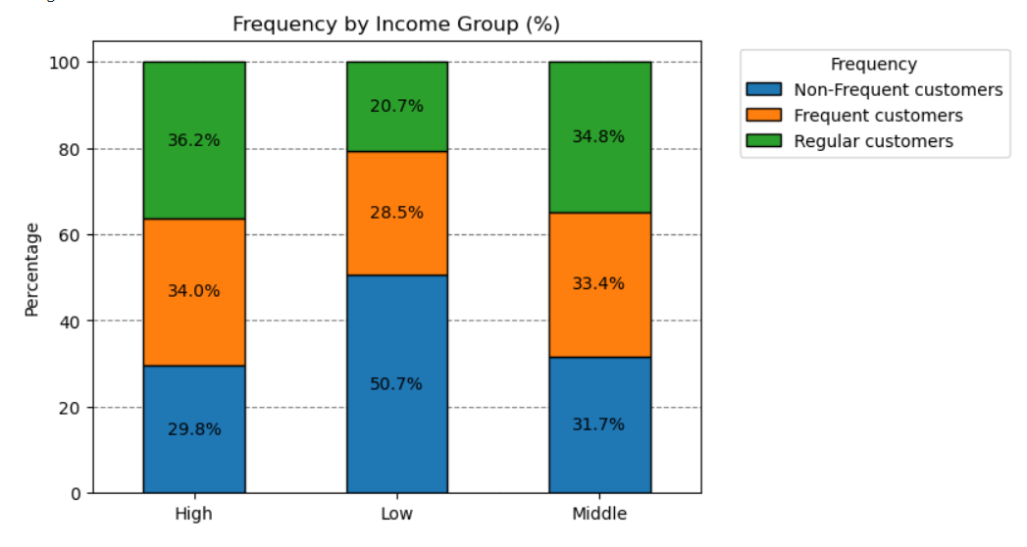
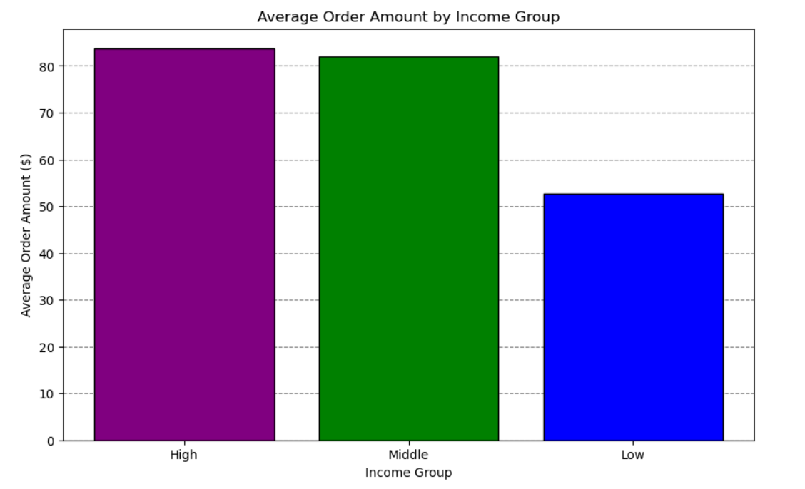
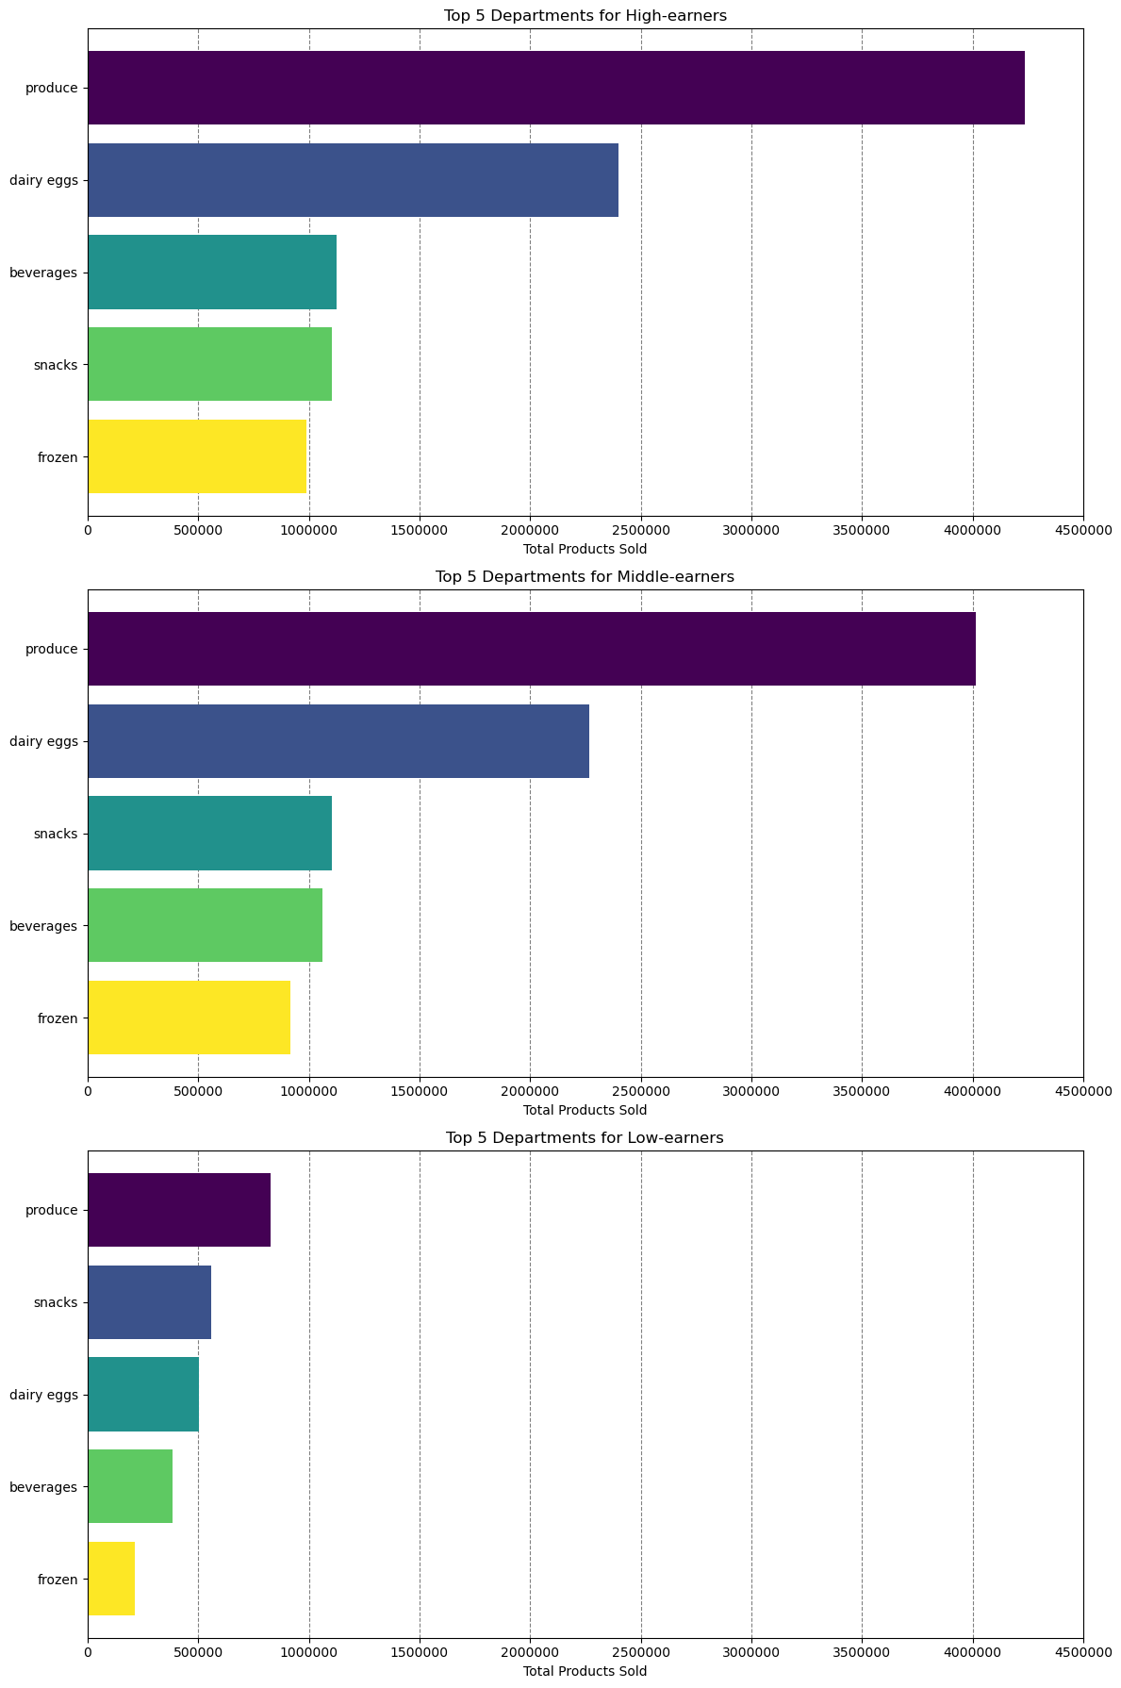
Title page

Visualisations
Visualisations

In this tab you should include all the visualtions from Exercises 4.9 and 4.10, alongside the questions from the project brief that they answer. Include any commentary on the relationship between different variables.
In this tab you should include all the visualtions from Exercises 4.9 and 4.10, alongside the questions from the project brief that they answer. Include any commentary on the relationship between different variables.

Key Question: "The sales team needs to know what the busiest days of the week and hours of the day are (i.e., the days and times with the most orders) in order to schedule ads at times when there are fewer orders".
Bar chart: Most orders are placed on Saturday and Sunday (days 0 and 1). Significantly fewer orders are made during the working week, with the least orders occuring on Tuesday and Wednesday (days 3 and 4).
Histogram: Most orders tend to occur in the middle of the day (typically between 9am and 4pm). This indicates that the majority of shoppers could be ordering during their lunch breaks or after work (in instances where work ends before 5pm).
However, many orders also occur well before lunch (9am to 10am) potentially indicating many customers with alternate work schedules or that this is a popular time for shopping on non-work days like the weekend.The histogram also shows there are much less orders happening at night and the very early morning, which is to be expected.
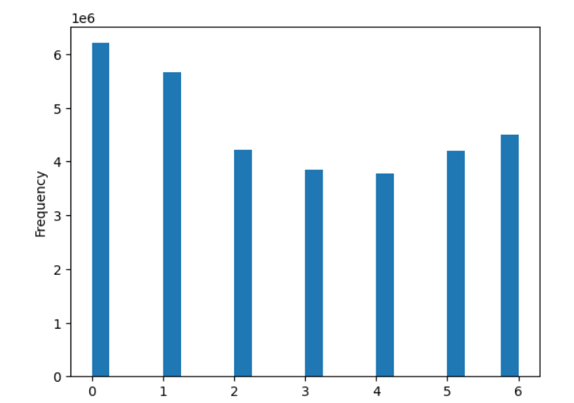
Instacart No. of Orders by Week
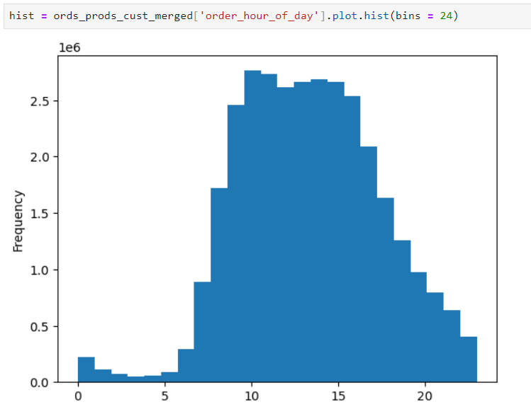
Instacart No. of Orders by hours

Hours
Days

Key Question: "They also want to know whether there are particular times of the day when people spend the most money, as this might inform the type of products they advertise at these times".
Left line graph: Shows the average prices of products sold during the different hours of the day. Although there is not much variance in the average (note the y-axis steps up in intervals of 2.5 cents), the average is highest during late-night/early-morning orders, peaking at 4am to 5am.
Right line graph: Shows the average order total per hour of the day. Overall, there is not much variation here either, despite a small increase at around 9pm to 10pm.
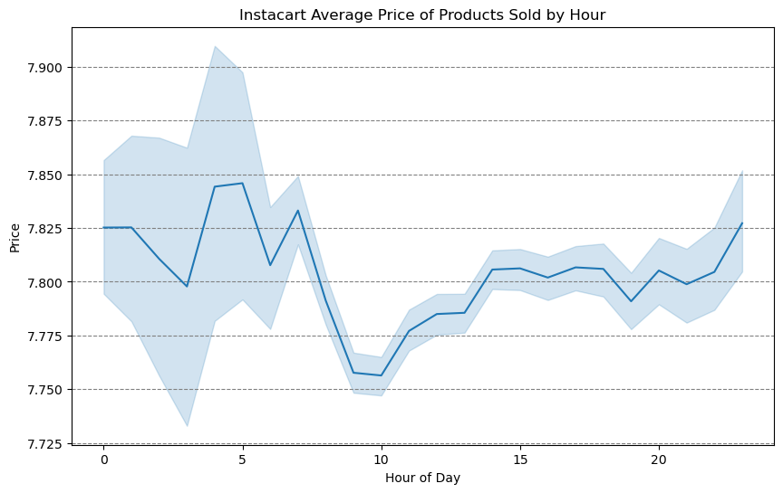
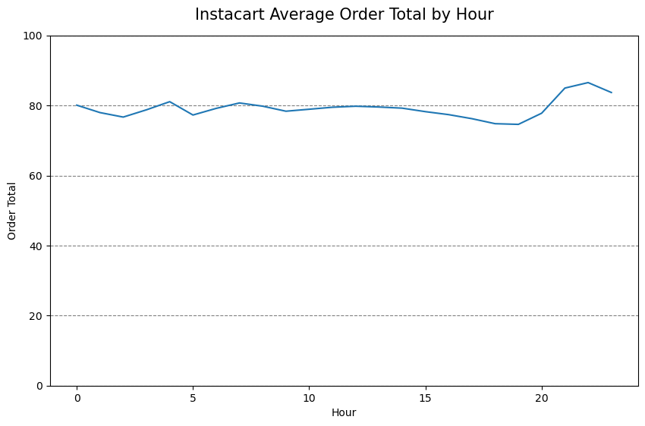

Key Question: "Are there certain types of products that are more popular than others? The marketing and sales teams want to know which departments have the highest frequency of product orders."
Commentary: The bar chart shows the most popular products (by far) come from produce. The next most ordered from departments are dairy/eggs, snacks, beverages, and frozen.
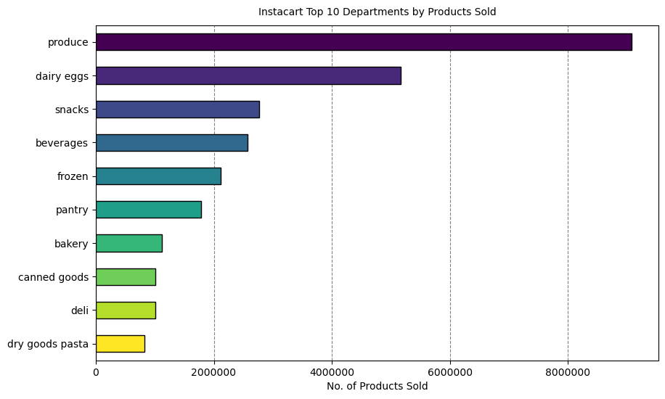

Key Question: "What’s the distribution among users in regards to their brand loyalty (i.e., how often do they return to Instacart)"?
Left bar graph: In terms of distribution, there are far more new customers than there are regular or loyal customers. This either indicates recent growth or many non-returning customers (further analysis required).
Right bar graph: However, due to the way loyalty status is determined, regular and loyal customers contribute far more to sales (number of products/items purchased).
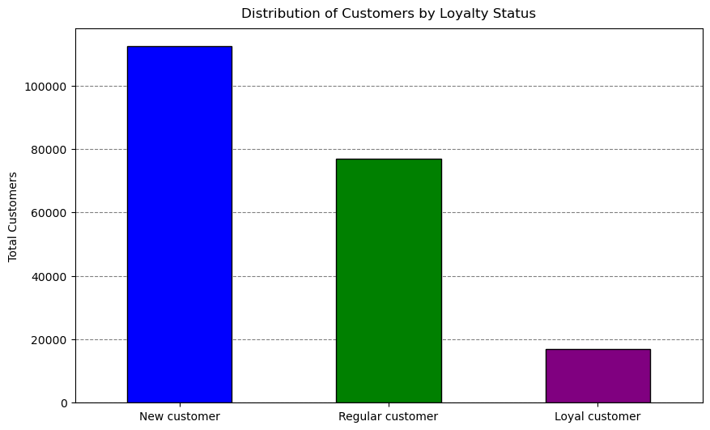
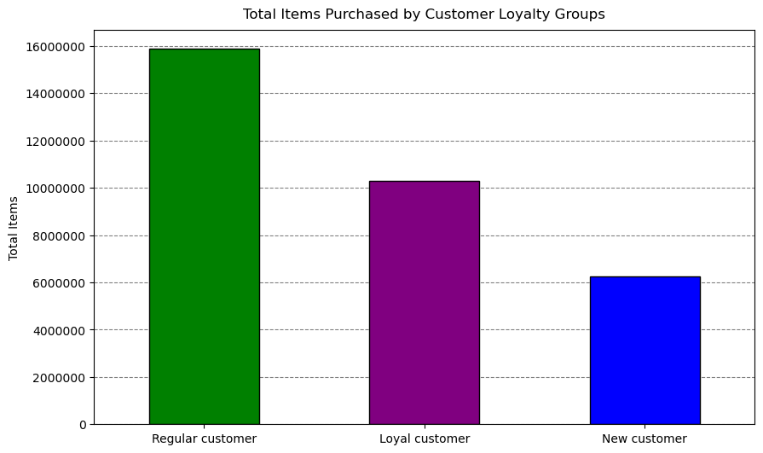

Key Question: "Are there differences in ordering habits based on a customer's loyalty status"?
Commentary: the graphs show that the average order total and average product price is close to equal between each grouping of customer's. It would seem loyalty status is not an indicator of specific ordering habits, although further analysis into other ordering habits may be conducted.
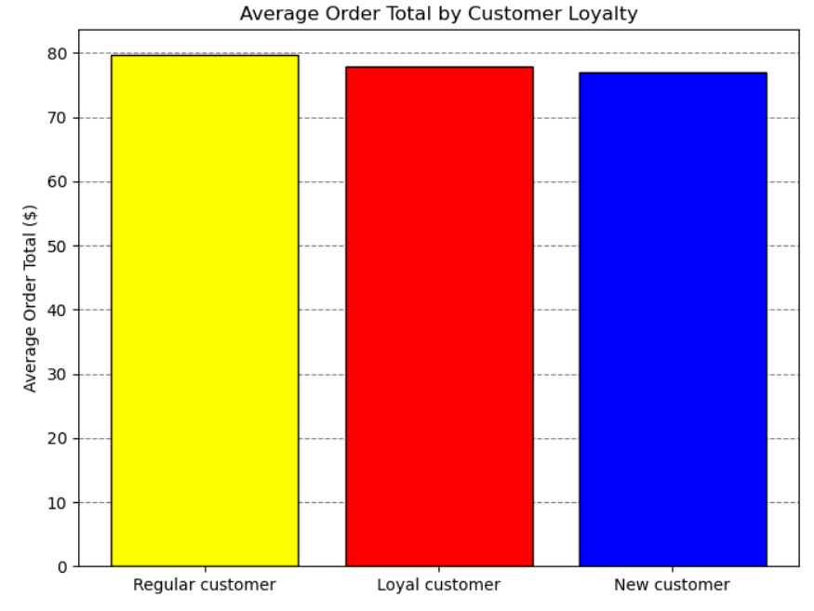
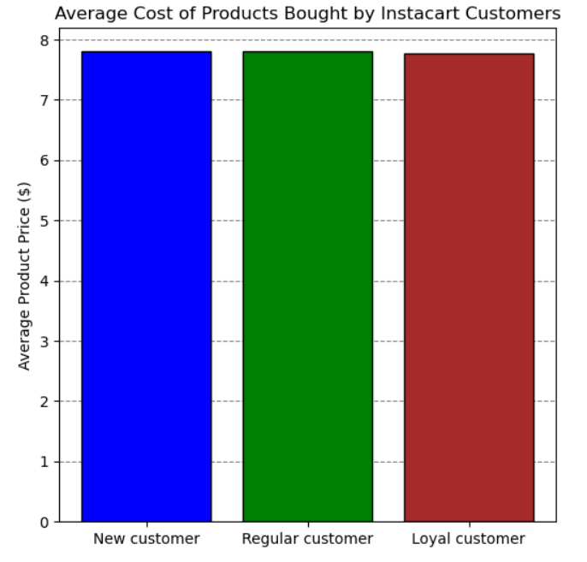

Key Question: "Are there differences in ordering habits based on a customer's region"?
Column chart left: shows department sales are proportional across regions. More products have been purchased in southern states because more customers are located there.
Column chart right: shows the average order total per customer is (close to) equivalent in each region. It would seem region is also not an indicator of specific ordering habits, although further analysis into other ordering habits may be conducted.
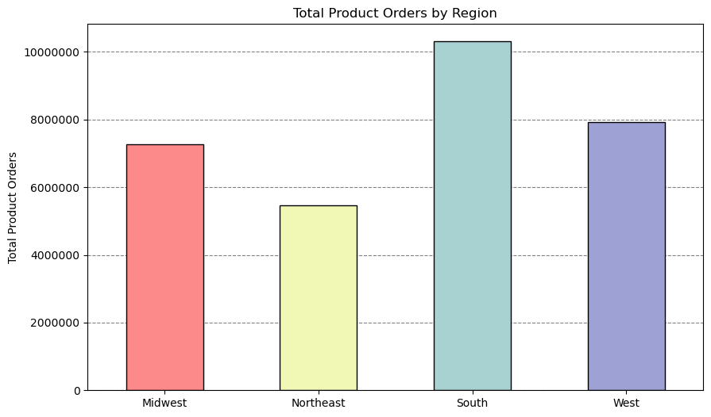
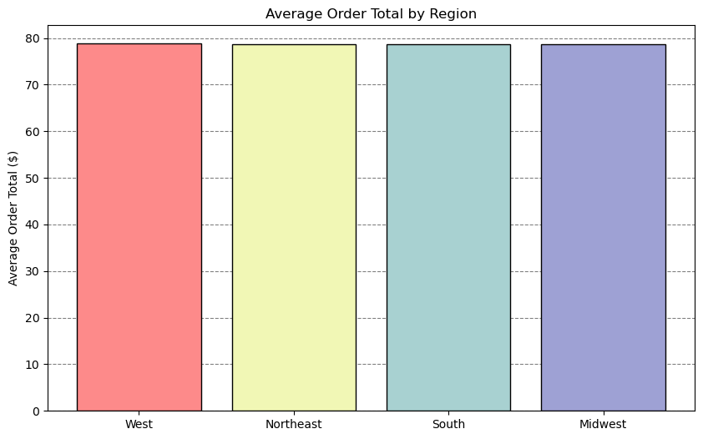

Key Question: "What different classifications does the demographic information suggest?
The pie charts show the segmentation of instacart's customer-base by 3 different profiling variables
Age: the age group categories are somewhat arbitrary, based predominantly on intuition (see column derivations).
Income: The income groups were based on distributions of household incomes in the U.S. during 2022 from the Statista site. The aim of this was to segment customers into low, middle, and high income groups based on approximate 1/3 splits in the actual distribution of U.S. household incomes. The majority of instacart's customers fit into the high and middle income categories.
Dependants: This category simply states whether a customer has a dependant(s) or not. The majority of customers have a dependent(s) (75%).
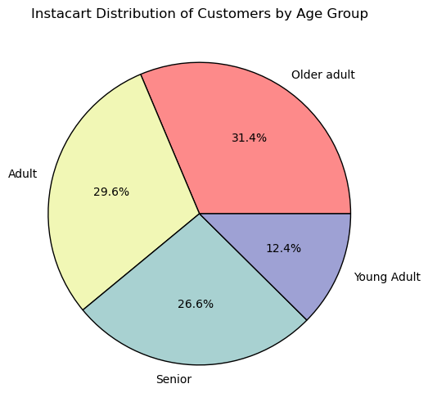
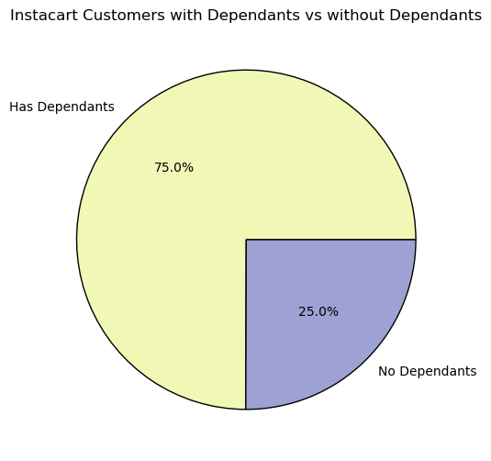
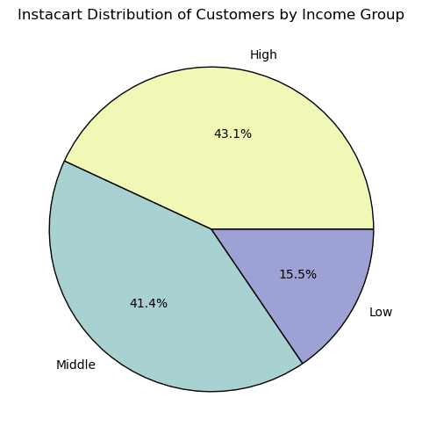

Key Question: "Instacart has a lot of products with different price tags. Marketing and sales want to use simpler price range groupings to help direct their efforts".
Commentary: Price ranges have been added to data for each product.
- Low-range: equal to or less than $5
- Mid-range: greater than $5 and less than or equal to $15
- High-range: greater than $15
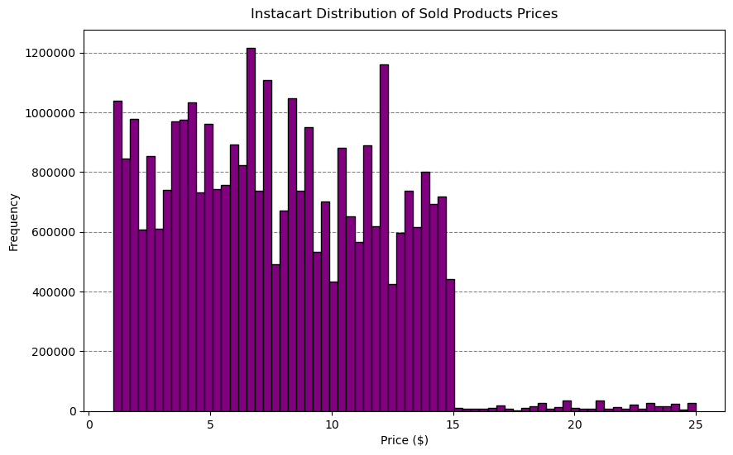

Key Question: "What differences can you find in ordering habits of different customer profiles? consider the price of orders, frequency of orders, products customers are ordering, and anything else you can think of".
Cross tabs were used in Exercise 4.10 to analyse important ordering habits such as average order total and frequency (average days between orders).
Age: Crosstab showed that no significant differences could be observed between each age group
Dependants: Crosstab showed that no significant differences could be observed between customers with dependants and those without dependants
Income: Crosstab showed high-earners spent the most money per order ($83.76) followed closely by middle-earners ($81.93 per order). Low-income customers spent significantly less per order ($52.67). The frequency of orders is also noticably different as on average, low-income customers shop somewhat less frequently (which can also be seen in the stacked bar chart. The crosstab prompted further investigation into the types of purchases made between these groups.
The horizontal bar charts show the top departments by total products sold for each income group. Here we see high-earners and middle-earners are very similar in their department preferences, however, low-earners purchase a higher proportion of items from the snacks department (may likely refect the needs of this group in that more of these customers could be living at home with parents).

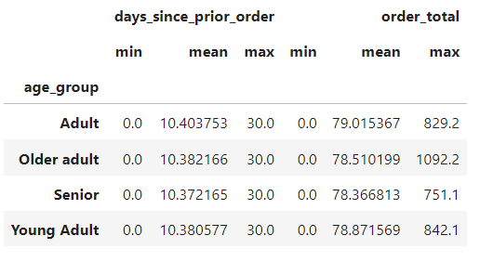
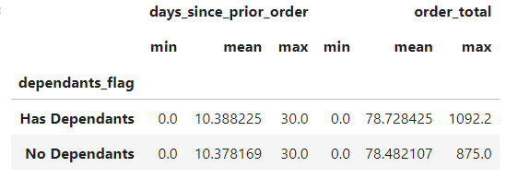
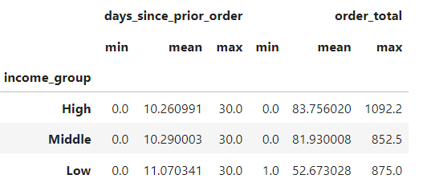

No significant difference in min, mean, or max frequency or expenditure across all categories for age_group or dependants_flag

7. Recommendations
. | Title page

Recommendations

Marketing / Sales:
(Q3) - Low, mid, and high price range groupings have been made to direct efforts for these teams.
(Q7) - Increase marketing in states within the Northeast as this region currently has the least customers.
Promotions:
(Q1) - Schedule ads between 5pm and 8am since these are the times with the fewest orders.
(Q1) - The fewest sales occur on Tuesday and Wednesday, so placing promotions on these days could encourage more sales.
(Q5) - Consider creating/promoting loyalty programs to encourage customers to order more frequently/consistently (e.g., loyalty status visible to customers that entitle them to x% off certain products and special deals).
Other/Further Analysis:
(Q2) - Average purchased product price is marginally highest around 4am to 5am. Before making recommendations to Promotions, analysing the types of products bought during these times will help inform whether or not to promote high-range products at these times.
(Q3) - Relative underperformance of high-range products compared to low- to mid-range products. Need to determine if this is a legitimate area of concern or the result of the number of products that fall into each price_range.
(Q10) - Despite high-earners having more disposable income, they show similar ordering habits to middle-earners. Therefore, send surveys to high-income customers to determine what they would like to see at Instacart to encourage greater spending.

Key Questions

Key Question 1: "The sales team needs to know what the busiest days of the week and hours of the day are (i.e., the days and times with the most orders) in order to schedule ads at times when there are fewer orders".

Instacart No. of Orders by Week
Instacart No. of Orders by hours

Answer: The busiest days are Saturday and Sunday (0 and 1)
Answer: The busiest times are between 9am and 5pm

Key Question 2: "They also want to know whether there are particular times of the day when people spend the most money, as this might inform the type of products they advertise at these times".

Answer: The average price of a sold product is slightly greater during late-night/early-morning hours. However, the average also varies the most during these times.
In terms of the order total, customers making orders around 8pm-11pm spend more on average during these times.

Key Question 3: "Instacart has a lot of products with different price tags. Marketing and sales want to use simpler price range groupings to help direct their efforts".

Answer: Low-range products are less than or equal to $5, mid-range products are greater than $5 and less than or equal to $15, high-range products are greater than $15 (Note: there is an underperformance of high-range products in comparison to low-range and mid-range products.

Key Question 4: "Are there certain types of products that are more popular than others? The marketing and sales teams want to know which departments have the highest frequency of product orders."

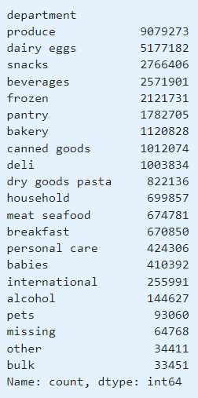

Answer: Produce leads product orders by far. It is followed by dairy/eggs, snacks, beverages and frozen. This shows the most popular products are kinds of organic/natural products.

Key Question 5: "What’s the distribution among users in regards to their brand loyalty (i.e., how often do they return to Instacart)"?

Answer: The majority of instacart's customer base is made up of "New customers". This could indicate that the customer base has recently been growing or that customers aren't coming back.
Note: More loyal customers however bring in far more revenue through greater total sales (somewhat obviously).

Key Question 6: "Are there differences in ordering habits based on a customer's loyalty status"?

Answer: There is very little variation between average order total and average cost per product. It would seem loyalty status is not an indicator of specific ordering habits, although further analysis into different ordering habits could be conducted at a later time.

Key Question 7: "Are there differences in ordering habits based on a customer's region"?

Answer: States in the South region make more product orders than other states in other regions (although their are more customers from these states). However, customers do not spend more or less per order depending on which region they are from.

Key Question 8: "What different classifications does the demographic information suggest"?

Answer: The above pie charts show how different classifications have been split into demographics and the proportion of those demographics

Key Question 9: "Is there a connection between age and family status in terms of ordering habits"?

Answer: The above crosstables showed that there is no signifcant differences between the average order total and frequency of orders across customers of different ages and family status. Further analysis into other ordering habits could be conducted at a later date.

Key Question 10: "What differences can you find in ordering habits of different customer profiles? consider the price of orders, frequency of orders, products customers are ordering, and anything else you can think of".

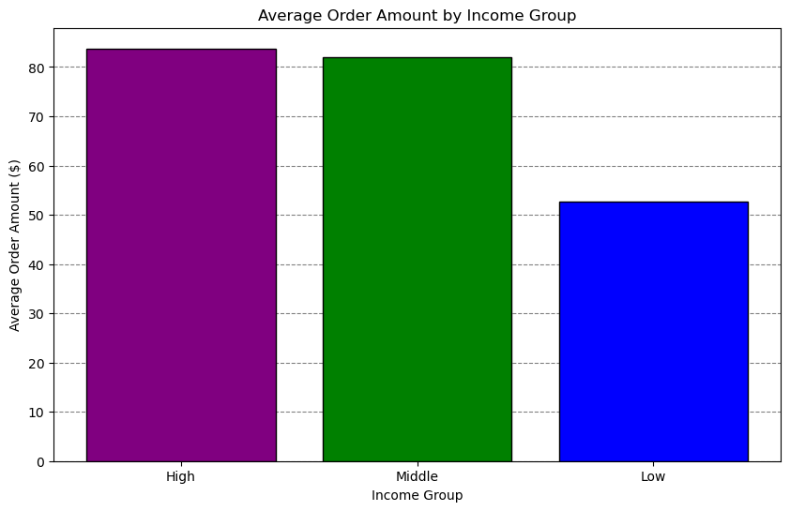

Answer: Income groups were the primary focus, as other demographics like age and family status had already been examined. The analysis shows that middle and high-income earners have similar spending patterns, including the average order total, order frequency, and product preferences. In contrast, low-income earners spend significantly less per order and shop slightly less frequently. Although produce is the top department for all groups, low-income earners' second-highest department being "snacks" stands out. This suggests that low-income earners might have different shopping priorities, possibly because many of these customers might not be using Instacart for their main grocery shopping, as this task could be handled by a roommate or parent.Income groups were the primary focus, as other demographics like age and family status had already been examined. The analysis shows that middle and high-income earners have similar spending patterns, including the average order total, order frequency, and product preferences. In contrast, low-income earners spend significantly less per order and shop slightly less frequently. Although produce is the top department for all groups, low-income earners' second-highest department being "snacks" stands out. This suggests that low-income earners might have different shopping priorities, possibly because many of these customers might not be using Instacart for their main grocery shopping, as this task could be handled by a roommate or parent.

